Sheet1
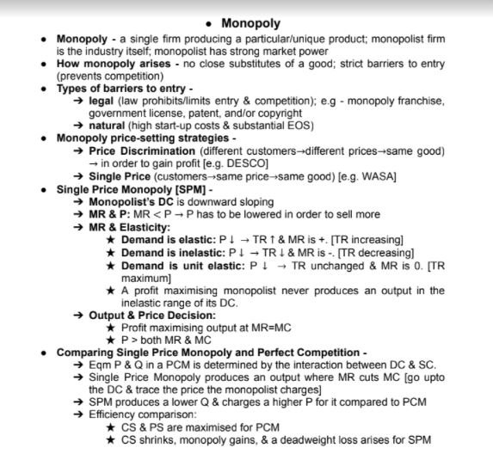

Price
P | Q | TR=P*Q | MR=dTR/dQ | FC | VC=TC-FC | TC | MC=dTC/dQ | TR-TC
20 | 0 | 0 |  | 20 | 0 | 20 |  | -20
18 | 1 | 18 | 18 | 20 | 1 | 21 | 1 | -3
16 | 2 | 32 | 14 | 20 | 4 | 24 | 3 | 8
14 | 3 | 42 | 10 | 20 | 10 | 30 | 6 | 12
12 | 4 | 48 | 6 | 20 | 20 | 40 | 10 | 8
10 | 5 | 50 | 2 | 20 | 35 | 55 | 15 | -5

 | Max profit row is the higest row of TR-TC

 | All firms maximizes profit at MR=MC. For monopoly, its P>MR. So, P>MC

 | If MR>MC, then profit increases if output increases
 | When MR<MC, profit increases if output drcreases
 | MR=MC is profit maximized

